READ ME Notes
ToC
1. Filling out this Scoresheet
2. Adding New Players
3. Penalties

FILLING OUT THIS SCORESHEET
Most boxes except raw numerical values in this spreadsheet are entered using drop-down lists to select from rather than typing entries.
Note that Cells B3 and B4 must be fille dout
Boxes with a Blue background are the responsibility of the Batting team to fill out. The batting team will be penalised points for these boxes that are not filled out.
Boxes with a Pink background are the responsibility of the Fielding team to fill out. The fielding team will be penalised points for these boxes that are not filled out.
Obviously there is no penalty for an empty box that should be empty, eg DNB, or Bowler for a Run Out. But things like boundaries, wides, no balls etc should be entered 0 if appropriate rather than empty
Boxes with an Orange background are voluntary to fill out, but players whose boxes are not filled out are removed from eligibility for relevant awards
Boxes with no background should not be entered
Boxes with a Grey background should not be touched, they are there for calculations and MVP purposes
The Batting/Bowling check shows that everything adds up (eg batsman + extras = bowlers + lb + b). If this box does not read PASS points will be deducted from BOTH teams.
Rows 39+ are for drop down box lists and should not be touched except to add a player whose name does not appear in your team list (see below)

NEW PLAYERS
If a player in your team does not appear in the drop down box to enter into the lineup do the following steps: | Find your club player list. Clubs are listed in Row57 cells A57 to P57 and their team lists below them. Do not use the club list in A40-A55
Step 1: | On Sheet 1 only, go to the bottom of the list of players for your club (eg for WISCI, cell A83 Willian Noronha)
Step 2: | In the next cell down, type in the name of your new player (repeat as necessary for multiple new players)
Step 3: | Go to the Formulas Tab
Step 4: | Select the Name Manager Tool
Step 5: | Find your club/team name, which should appear twice, and in both lines check that 'value' in the 'refers to' box extends down the list length to include the newly typed name. If it does not edit it so it does.
Step 6: |  | Example: | WISCI name list was A58 to A84, after adding one name, no change would be needed
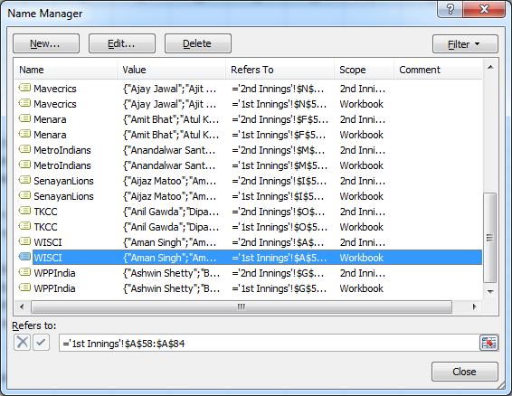
 |  |  | If three new names were added to WISCI instead of one you would change A84 to A86 in both lines

Step 7: | Close and return to the player name entry section of the scoresheet and the drop down boxes should now contain the new names as well

PENALTIES
-0.1 point for EACH incomplete or inaccurate name (names must match cricHQ team records) for batting, bowling or fielding in spreadsheet or CricHQ submission.
-0.1 point for EACH incomplete coloured box (orange is not included being voluntary) in submission (eg, BF, dot balls, FOW incl batsmen out/no). Boxes properly incomplete (eg for batsmen who DNB, though their names must be there, or FoW for wickets that d
-0.5 points for EACH team if the Pass/Fail box does not read Pass (scores add up batting and bowling)

